N. de juvenis
 |  |  |  |  |  |  |  | outlier |  |  |  |  |  |  |  |  |  | outlier |  |  |  |  |  | numero de ovos x 2 |  |  |  |  | outlier
CLOMAZONE | Repetições | N. de juvenis | n. ovos | media | desvio | CV | VALIDAÇÃO | + | - | SULFENTRAZONE | Repetições | N. de juvenis | n. ovos | media | desvio | CV | VALIDAÇÃO | + | - |  |  | Repetições | N. de juvenis | n. ovos | media | desvio | CV | VALIDAÇÃO | + | -
0 mg/kg | 0 | 56 | 5 | 42.4 | 7.7006493233 | 18.161908781 | TRUE | 57.801298647 | 26.998701353 | 0 mg/kg | 0 | 56 | 5 | 42.4 | 7.7006493233 | 18.161908781 | TRUE | 57.801298647 | 26.998701353 |  | 0 mg/kg | 0 | 56 | 5 | 42.4 | 7.7006493233 | 18.161908781 | TRUE | 57.801298647 | 26.998701353
 | 0 | 40 | 7 |  |  |  |  |  |  |  | 0 | 40 | 7 |  |  |  |  |  |  |  |  | 0 | 40 | 7
 | 0 | 40 | 2 |  |  |  |  |  |  |  | 0 | 40 | 2 |  |  |  |  |  |  |  |  | 0 | 40 | 2
 | 0 | 37 | 4 |  |  | clomaz | Média juvenis | desvio padrao juvenis |  |  | 0 | 37 | 4 |  |  |  |  |  |  |  |  | 0 | 37 | 4
 | 0 | 39 | 1 |  |  | 0.00 | 42.40 | 7.70 |  |  | 0 | 39 | 1 |  |  |  |  |  |  |  |  | 0 | 39 | 1 |  |  |  | MEDIA | SD
1 mg/kg | 1 | 16 | 2 | 13.4 | 4.7222875812 | 1.00 | 13.40 | 4.72 |  | 1 mg/kg | 1 | 8 | 4 | 10.2 | 3.3466401061 | 32.810197119 |  | 0 | 42.4 | 7.7006493233 | 1 mg/kg | 1 | 14 | 5 | 18.2 | 8.9554452709 | 0 | 42.4 | 7.7006493233
 | 1 | 9 | 1 |  |  | 10.00 | 13.20 | 7.79 |  |  | 1 | 16 | 5 | 1 adulta |  |  |  | 1 | 10.2 | 3.3466401061 |  | 1 | 12 | 3 |  |  | 1 | 18.2 | 8.9554452709
 | 1 | 13 | 7 |  |  | 25.00 | 12.80 | 3.56 |  |  | 1 | 10 | 1 |  |  |  |  | 10 | 9.8 | 2.0493901532 |  | 1 | 16 | 8 | 1 adulta |  | 10 | 18 | 4.6368092477
 | 1 | 9 | 5 |  |  | 50.00 | 2.20 | 2.28 |  |  | 1 | 8 | 1 |  |  |  |  | 100 | 9.8 | 4.7644516998 |  | 1 | 15 | 7 |  |  | 100 | 7.8 | 5.9329587897
 | 1 | 20 | 14 |  |  | 75.00 | 0.20 | 0.45 |  |  | 1 | 9 | 1 |  |  |  |  | 500 | 4.8 | 2.1679483389 |  | 1 | 34 | 17 |  |  | 500 | 12 | 6.204836823
10 mg/kg | 10 | 13 | 7 | 13.2 | 7.7910204723 |  |  |  |  | 10 mg/kg | 10 | 12 | 4 | 9.8 | 2.0493901532 | 20.91214442 |  | 750 | 1.4 | 0.894427191 | 10 mg/kg | 10 | 15 | 8 | 1 adulta |  | 1000 | 4.4 | 3.4351128075
 | 10 | 10 | 6 |  |  |  |  |  |  |  | 10 | 9 | 2 |  |  |  |  |  |  |  |  | 10 | 22 | 11 | 1 adulta
 | 10 | 12 | 6 |  |  |  |  |  |  |  | 10 | 12 | 4 |  |  |  |  |  |  |  |  | 10 | 24 | 13 | 18 | 4.6368092477
 | Juvenis
0 | 42.4
1 | 18.2
10 | 18
100 | 7.8
500 | 12
1000 | 4.4
 | 10 | 5 | 1 |  |  |  |  |  |  |  | 10 | 8 | 1 |  |  |  |  |  |  |  |  | 10 | 15 | 5
 | 10 | 26 | 10 |  |  |  |  |  |  |  | 10 | 8 | 1 | 1 adulto |  |  |  |  |  |  |  | 10 | 14 | 2
25 mg/kg | 25 | 10 | 5 | 12.8 | 3.5637059362 |  |  |  |  | 100 mg/kg | 100 | 15 | 5 | 9.8 | 4.7644516998 | 48.61685408 |  |  |  |  | 100 mg/kg | 100 | 4 | 2
 | Juvenis
0 | 42.4
1 | 18.2
10 | 18
100 | 7.8
500 | 12
1000 | 4.4
 | 25 | 11 | 4 |  |  |  |  |  |  |  | 100 | 6 | 6 |  |  |  |  |  |  |  |  | 100 | 18 | 9 | 1 adul
 | 25 | 15 | 6 |  |  |  |  |  |  |  | 100 | 6 | 5 |  |  |  |  |  |  |  |  | 100 | 4 | 2 | 7.8 | 5.9329587897
 | 25 | 18 | 8 | 1 grande |  |  |  |  |  |  | 100 | 15 | 7 |  |  |  |  |  |  |  |  | 100 | 5 | 2
 | 25 | 10 | 6 |  |  |  |  |  |  |  | 100 | 7 | 6 | 1 adulto |  |  |  |  |  |  |  | 100 | 8 | 4
50 mg/kg | 50 | 2 | 2 | 2.2 | 2.2803508502 |  |  |  |  | 500 mg/kg | 500 | 6 | 2 | 4.8 | 2.1679483389 | 45.165590393 |  |  |  |  | 500 mg/kg | 500 | 22 | 10 | 1 adulta
 | 50 | 0 | 5 | 1 grande |  |  |  |  |  |  | 500 | 7 | 3 |  |  |  |  |  |  |  |  | 500 | 13 | 4 | 12 | 6.204836823
 | 50 | 0 | 7 |  |  |  |  |  |  |  | 500 | 6 | 3 |  |  |  |  |  |  |  |  | 500 | 11 | 2 | 1 adulta
 | 50 | 4 | 3 |  |  |  |  |  |  |  | 500 | 2 | 1 |  |  |  |  |  |  |  |  | 500 | 8 | 4 | 1 adulta
 | 50 | 5 | 2 |  |  |  |  |  |  |  | 500 | 3 | 2 |  |  |  |  |  |  |  |  | 500 | 6 | 3
75 mg/kg | 75 | 0 | 4 | 0.2 | 0.4472135955 |  |  |  |  | 750 mg/kg | 750 | 2 | 6 | 1.4 | 0.894427191 | 63.8876565 |  |  |  |  | 1000 mg/kg | 1000 | 9 | 3 | 1 adulta
 | 75 | 0 | 0 |  |  |  |  |  |  |  | 750 | 2 | 3 |  |  |  |  |  |  |  |  | 1000 | 7 | 1 | 4.4 | 3.4351128075
 | 75 | 0 | 5 |  |  |  |  |  |  |  | 750 | 0 | 1 |  |  |  |  |  |  |  |  | 1000 | 2 | 0
 | 75 | 1 | 1 |  |  |  |  |  |  |  | 750 | 2 | 3 | 1 adulto |  |  |  |  |  |  |  | 1000 | 3 | 1
 | 75 | 0 | 4 |  |  |  |  |  |  |  | 750 | 1 | 1 |  |  |  |  |  |  |  |  | 1000 | 1 | 0

 | Juvenis
0 | 42.4
1 | 18.2
10 | 18
100 | 7.8
500 | 12
1000 | 4.4

Estat_juv_clomaz
doses | n. juvenis
0 | 48 |  | normalidade ok
0 | 40 | normalidade |  | para ser normal: shpiro wilk p menor ou igual a 20 |  | Homogeneidade ok
0 | 40 |  |  |  | Homogeneidade |  | Para ser homogêneo: Barlett > 0,05
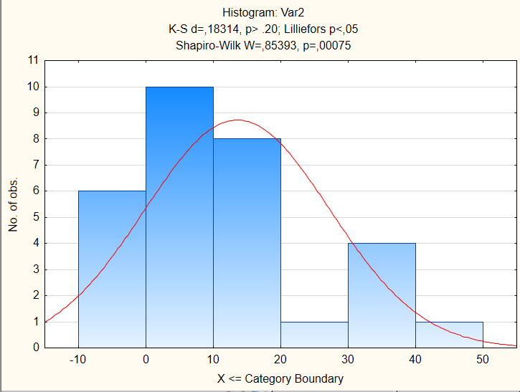
0 | 37
0 | 33
1 | 16
1 | 9
1 | 13
1 | 9
1 | 20
10 | 13 |  |  |  |  | teste dunnett
10 | 10 |  |  |  |  | 0
10 | 12 |  |  |  |  | 1 | 0.00 | *
10 | 5 |  |  |  |  | 10 | 0.00 | *
10 | 26 |  |  |  |  | 25 | 0.00 | *
25 | 10 |  |  |  |  | 50 | 0.00 | *
25 | 11 |  |  |  |  | 75 | 0.00 | * |  |  |  | EC50= 0,572 (0,212-0,933)
25 | 15
25 | 18
25 | 10 |  |  |  |  | EC 50Exponencial
50 | 2 |  |  |  |  | Model is: v2=a*Exp(Log((a-a*0.5-b*0.5)/a)*(v1/x))+b
50 | 0 |  |  |  |  | Dependent variable: Var2 Independent variables: 1
50 | 0 |  |  |  |  | Loss function: least squares |  |  | a | 42.4
50 | 4 |  |  |  |  | Final value: 1232,19985148 |  |  | b | 1
50 | 5 |  |  |  |  | Proportion of variance accounted for: ,77421348 R =,87989401 |  |  | x | 0.5
75 | 0
75 | 0 |  |  |  |  | EC50 Gompertz model |  |  |  |  | EC50= | 0,2644 (-0,43-0,96))
75 | 0
75 | 1 |  |  |  |  | Model is: v2=g*Exp((log(0.5))*(v1/x)^b) |  |  | a | 42.4
75 | 0 |  |  |  |  | Dependent variable: Var2 Independent variables: 1 |  |  | b | 1.7
 |  |  |  |  |  | Loss function: least squares |  |  | x | 0.5
 |  |  |  |  |  | Final value: 946,34551674
 |  |  |  |  |  | Proportion of variance accounted for: ,82659301 R =,90917161

 |  |  |  |  |  | EC10 - Exponencial |  |  |  |  | EC10 = 0,2144 (0,068 - 0,3605)
 |  |  |  |  |  | Model is: v2=a*Exp(Log((a-a*0.10-b*0.90)/a)*(v1/x))+b
 |  |  |  |  |  | Dependent variable: juvenis Independent variables: 1
 |  |  |  |  |  | Loss function: least squares
 |  |  |  |  |  | Final value: 1232,19985148 |  |  | a | 42.4
 |  |  |  |  |  | Proportion of variance accounted for: ,77421348 R =,87989401 |  |  | b | 2.3
 |  |  |  |  |  |  |  |  | x | 0.1

 |  |  |  |  |  |  |  |  |  | ec10 | y=32.50*e7.09*0.21
 |  |  |  |  |  |  |  |  |  | ec50 | y=32.50*e7.09*0.57

PECPNEC
Fonte DT50 = IUPAC (Lewis)

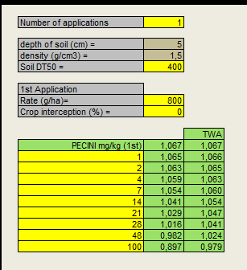
PEC CLOMAZONE | DT50 LAB 20c = 22,6 |  |  |  |  |  |  |  | PEC SULFENTRAZONE | DT50 lab 20oc = 400 dias
Rate = 1260 g/ha |  |  |  |  |  |  |  |  | Rate= 800 g/ha |  | Sulfentrazone |  |  | PEC INDAZIFLAM | dt50 lab 20oC = 150 d
 |  | Clomazone |  |  |  |  |  |  |  |  | Parameter | Valor | Fonte | Rate = 100 g/ha
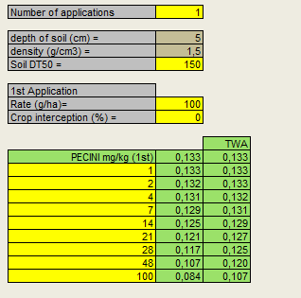
 |  | Parameter | Valor | Fonte |  |  |  |  |  |  | Soil depth for PECsoil,1 year [d] (cm) | 5 (valor padrão) | FOCUS (FOCUS (1997) Soil persistence models and EU Registration - The Final Report of the Soil Modelling Workgroup of FOCUS (Forum for the Co-ordination of Pesticide Fate Models and their Use) – 29 February 1997)
 |  | Soil depth for PECsoil,1 year [d] (cm) | 5 (valor padrão) | FOCUS (FOCUS (1997) Soil persistence models and EU Registration - The Final Report of the Soil Modelling Workgroup of FOCUS (Forum for the Co-ordination of Pesticide Fate Models and their Use) – 29 February 1997) |  |  |  |  |  |  | Dry soil bulk density (g/cm3) | 1,5 (valor padrão) | FOCUS
 |  | Dry soil bulk density (g/cm3) | 1,5 (valor padrão) | FOCUS |  |  |  |  |  |  | DT50 in soil (days) | 400 | IUPAD (Lewis, 2016) - considerei para laboratório 20oC
 |  | DT50 in soil (days) | 22.6 | PPDB (Lewis, 2016) - considerei para laboratório 20oC | cinetica de SFO |  |  |  |  |  | Number of applications/year | 1 |  |  |  | Indaziflam
 |  | Number of applications/year | 1 |  |  |  |  |  |  |  | Application Rate (g/ha) | 600 | AGROFIT (1,2L pc/ha -BORAL500SC) |  |  | Parameter | Valor | Fonte
 |  | Application Rate (g/ha) | 1260 | AGROFIT (3,5L pc/ha -GAMIT360CS) | usar o pior caso (taxa de aplicação mais elevada) |  |  |  |  |  | Crop interceptetion (%) | 0 | Pre-emergence (BBCH 00-09) - https://www.fao.org/fileadmin/user_upload/pesticide_toolkit/pdfs/assessment_methods/am-crop_interception_table.pdf |  |  | Soil depth for PECsoil,1 year [d] (cm) | 5 (valor padrão) | FOCUS (FOCUS (1997) Soil persistence models and EU Registration - The Final Report of the Soil Modelling Workgroup of FOCUS (Forum for the Co-ordination of Pesticide Fate Models and their Use) – 29 February 1997)
 |  | Crop interceptetion (%) | 0 | Pre-emergence (BBCH 00-09) https://www.fao.org/fileadmin/user_upload/pesticide_toolkit/pdfs/assessment_methods/am-crop_interception_table.pdf |  |  |  |  |  |  |  |  |  |  |  | Dry soil bulk density (g/cm3) | 1,5 (valor padrão) | FOCUS
 |  |  |  |  |  |  |  |  |  |  |  |  |  |  |  | DT50 in soil (days) | 150 | IUPAD (Lewis, 2016) - considerei para laboratório 20oC - Lewis, K.A., Tzilivakis, J., Warner, D. and Green, A. (2016) An international database for pesticide risk assessments and management. Human and Ecological Risk Assessment: An International Journal, 22(4), 1050-1064. DOI: 10.1080/10807039.2015.1133242
 |  |  |  |  |  |  |  |  |  |  |  |  |  |  |  | Number of applications/year | 1
 |  |  |  |  |  |  |  |  |  |  |  |  |  |  |  | Application Rate (g/ha) | 100 | AGROFIT (0,15L pc/ha -Alion)
 |  |  |  |  |  |  |  |  |  |  |  |  |  |  |  | Crop interceptetion (%) | 0 | Pre-emergence (BBCH 00-09) - https://www.fao.org/fileadmin/user_upload/pesticide_toolkit/pdfs/assessment_methods/am-crop_interception_table.pdf

 |  | Herbicidas | Application rate (g ai ha-1) | Soil Detph (cm) | soil density (g/cm3) | Crop interceptation (%) | DT50 | PEC (mg/kg)
 |  | Clomazone | 1260 | 5 | 1.5 | 0 | 22,60 dias | 1.68
 |  | Sulfentrazone | 800 | 5 | 1.5 | 0 | 400 dias | 1.067
 |  | Indaziflam | 100 | 5 | 1.5 | 0 | 150 dias | 0.133

ENDPOINT | https://cetesb.sp.gov.br/aguasinteriores/wp-content/uploads/sites/33/2017/04/Technical-Guidance-Document-on-Risk-Assessment-Part-II-2ed-2003.pdf
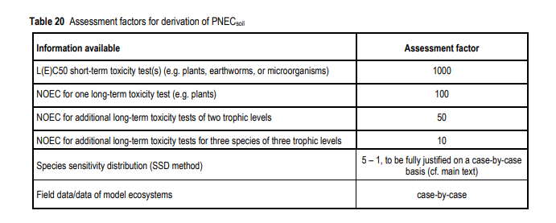
 |  |  |  |  | Considerei 100 porque usei dados de EC10 (Cronico)

 |  |  |  |  | Calculadora usada: calculadora de solo PEC do Reino Unido (https://www.fao.org/pesticide-registration-toolkit/registration-tools/assessment-methods/method-detail/en/c/1300677/)
 |  |  |  |  | Como usar calculadora: https://www.hse.gov.uk/pesticides/pesticides-registration/data-requirements-handbook/fate/soil.htm

Estat_juv_sulf
doses | n. juvenis
0 | 56
0 | 40 |  | normalidade ok
0 | 40 | normalidade |  | para ser normal: shpiro wilk p menor ou igual a 20 |  |  |  | Homogeneidade ok
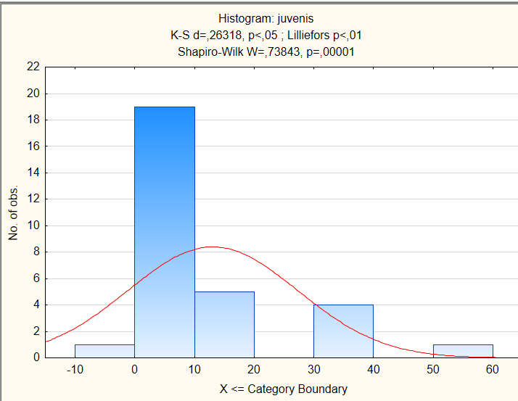
0 | 37 |  |  |  |  |  | Homogeneidade |  | Para ser homogêneo: Barlett > 0,05
0 | 39
1 | 8
1 | 16
1 | 10
1 | 8
1 | 9
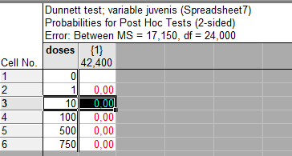
10 | 12
10 | 9
10 | 12 |  |  |  |  |  | Teste dunnett
10 | 8 |  |  |  |  |  | 0
10 | 8 |  |  |  |  |  | 1 | 0.00 | *
100 | 15 |  |  |  |  |  | 10 | 0.00 | *
100 | 6 |  |  |  |  |  | 100 | 0.00 | *
100 | 6 |  |  |  |  |  | 500 | 0.00 | *
100 | 15 |  |  |  |  |  | 750 | 0.00 | *
100 | 7
500 | 6
500 | 7 |  |  |  |  |  | EC50= 0,3941 (0,172 - 0,615)
500 | 6
500 | 2 | Ec50 Exponencial
500 | 3 | Model is: v2=a*Exp(Log((a-a*0.5-b*0.5)/a)*(v1/x))+b
750 | 2 | Dependent variable: juvenis Independent variables: 1
750 | 2 | Loss function: least squares |  |  | a | 42.4
750 | 0 | Final value: 664,94999982 |  |  | b | 1
750 | 2 | Proportion of variance accounted for: ,88698758 R =,94180018 |  |  | x | 0.5
750 | 1
 |  |  |  |  |  |  | EC10 = 0,134 (0,058 - 0,209)
 |  | EC10 Exponencial
 |  | Model is: v2=a*exp(Log((a-a*0,10-b*0,90)/a)*(v1/x))+b
 |  | Dependent variable: juvenis Independent variables: 1
 |  | Loss function: least squares |  |  | a | 42.4
 |  | Final value: 664,94999982 |  |  | b | 1
 |  | Proportion of variance accounted for: ,88698758 R =,94180018 |  |  | x | 0.5

 |  |  |  |  |  | EC10 | y=35.95*e6.45*0.13
 |  |  |  |  |  | EC50 | y=35.95*e6.45*0.39

Estat_juv_Indaz
concentração | Juvenis
0 | 56 |  | normalidade ok |  |  |  |  | Homogeneidade ok
0 | 40 | normalidade |  | para ser normal: shpiro wilk p menor ou igual a 20 |  |  | Homogeneidade |  | Para ser homogêneo: Barlett > 0,05
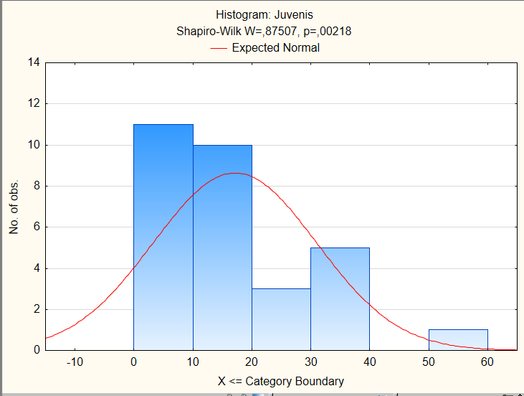
0 | 40
0 | 37
0 | 39
1 | 14
1 | 12
1 | 16
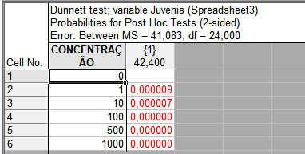
1 | 15
1 | 34 |  |  |  |  |  | Teste de Dunnett
10 | 15 |  |  |  |  |  | 0
10 | 22 |  |  |  |  |  | 1 | 0.000009 | *
10 | 24 |  |  |  |  |  | 10 | 0.000007 | *
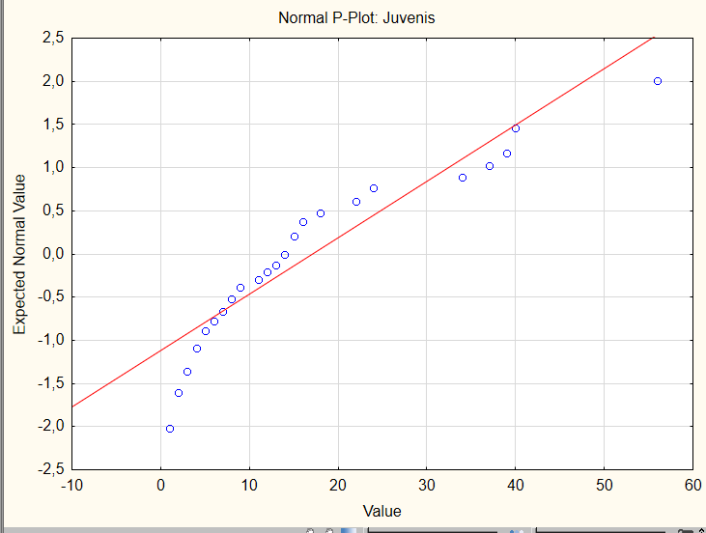
10 | 15 |  |  |  |  |  | 100 | 0.000000 | *
10 | 14 |  |  |  |  |  | 500 | 0.000000 | *
100 | 4 |  |  |  |  |  | 1000 | 0.000000 | *
100 | 18
100 | 4
100 | 5 |  |  |  |  |  |  |  |  | EC50=0,76805(0,2492-1,286)
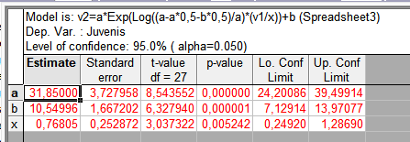
100 | 8 |  |  |  |  | EC50= Exponencial
500 | 22 |  |  |  |  | Model is: v2=a*Exp(Log((a-a*0,5-b*0,5)/a)*(v1/x))+b
500 | 13 |  |  |  |  | Dependent variable: Juvenis Independent variables: 1
500 | 11 |  |  |  |  | Loss function: least squares | a | 42.4
500 | 8 |  |  |  |  | Final value: 1500,94848346 | b | 1
500 | 6 |  |  |  |  | Proportion of variance accounted for: ,7303104 R =,854582 | x | 0.5
1000 | 9
1000 | 7
1000 | 2 |  |  |  |  | EC10=Exponencial
1000 | 3 |  |  |  |  | Model is: v2=a*Exp(Log((a-a*0,10-b*0,90)/a)*(v1/x))+b
1000 | 1 |  |  |  |  | Dependent variable: Juvenis Independent variables: 1 | a | 42.4
 |  |  |  |  |  | Loss function: least squares | b | 1 | EC10=0,355(0,090-0,621)
 |  |  |  |  |  | Final value: 1500,94848346 | x | 0.1
 |  |  |  |  |  | Proportion of variance accounted for: ,7303104 R =,854582

 |  |  |  |  |  | Y= 31,85*Exp(31.58-31.58*0.10-10.54*0.90)/31.58)*v1/0.35))+10.54

 |  |  |  |  | EC10 | y=31.58*e10.54*0.35
 |  |  |  |  | EC50 | y=31.58*e10.54*0.76

